Reference
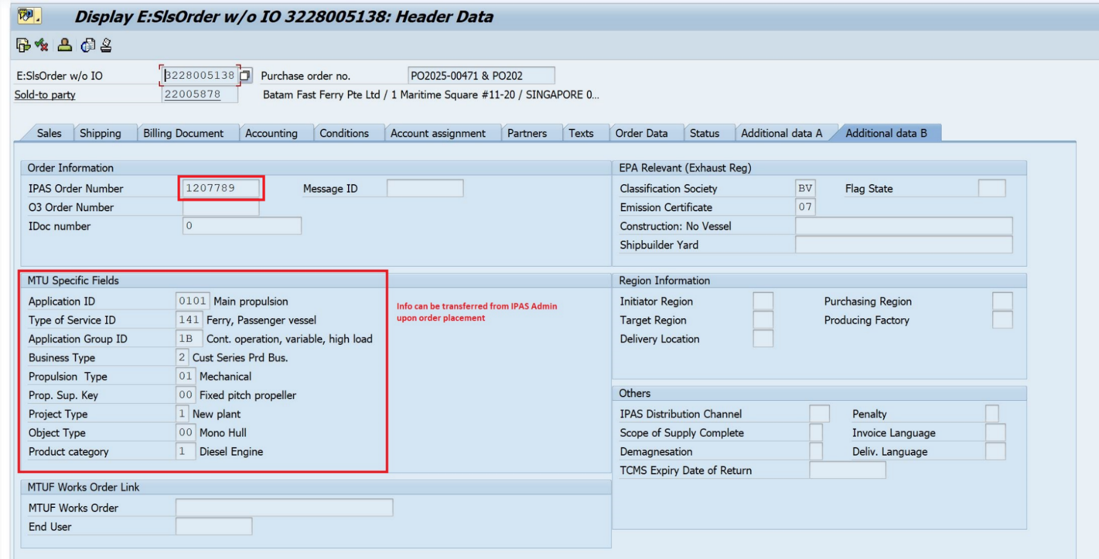
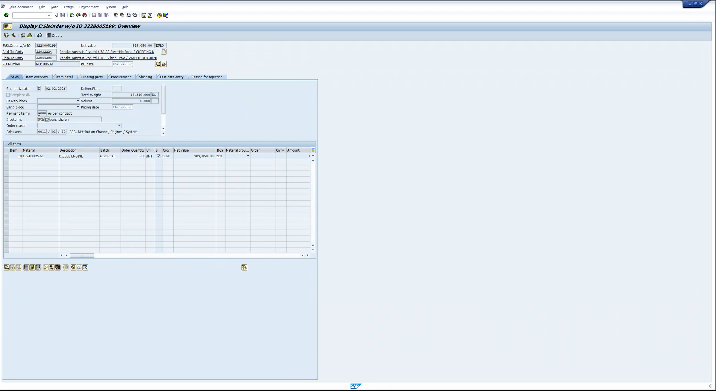
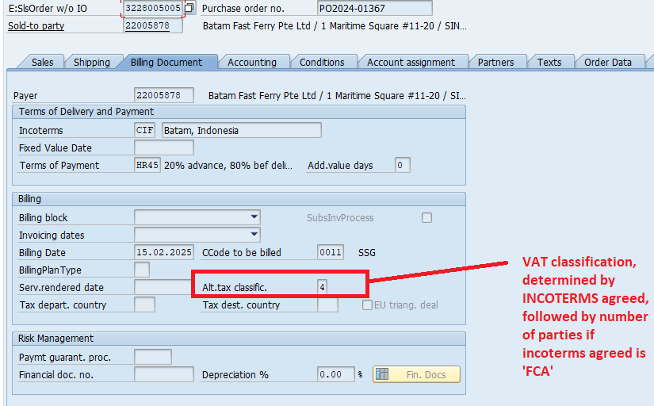
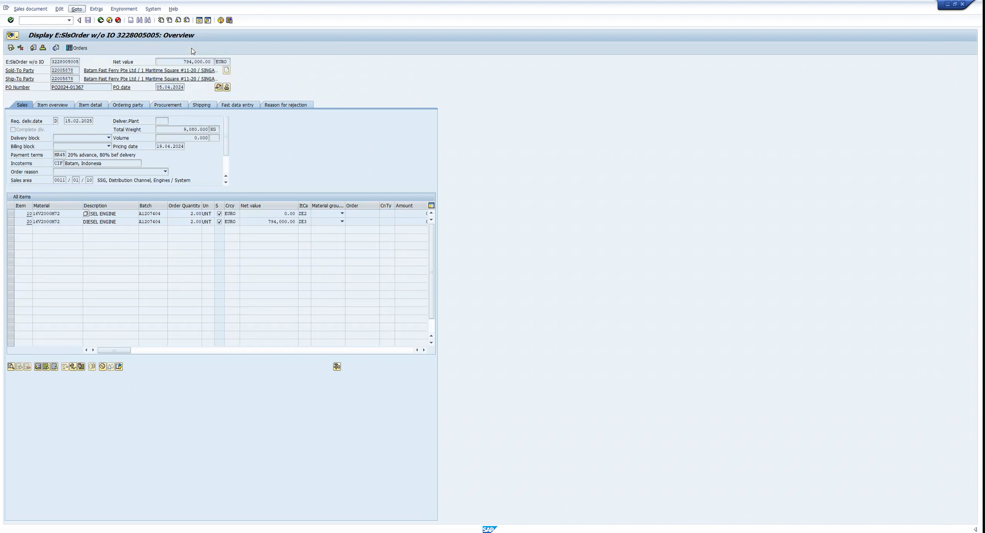
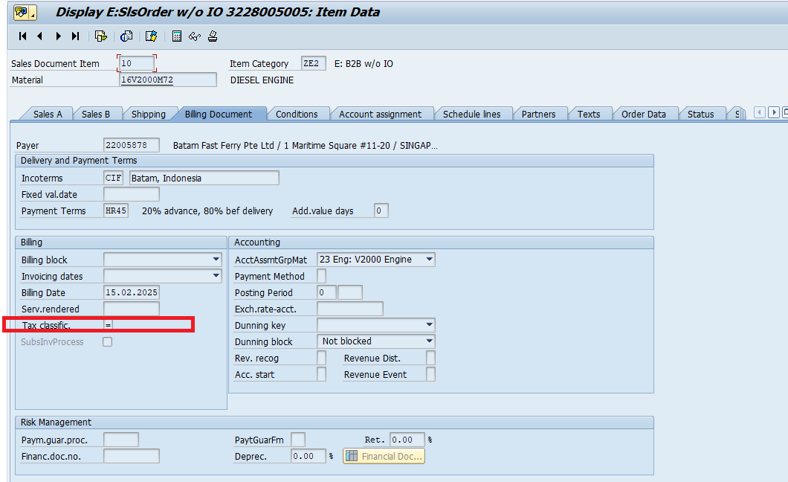
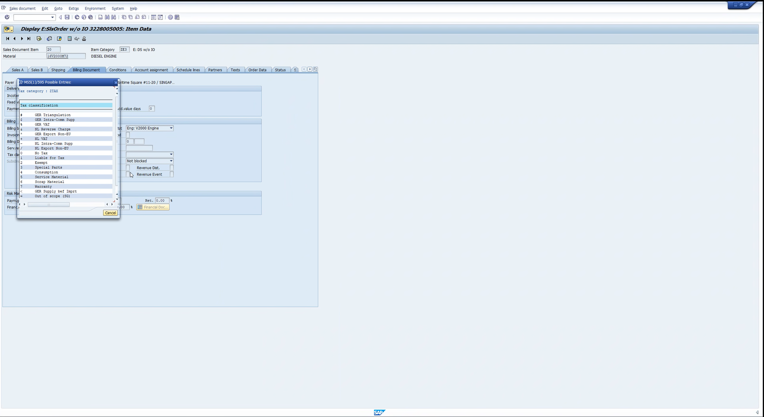
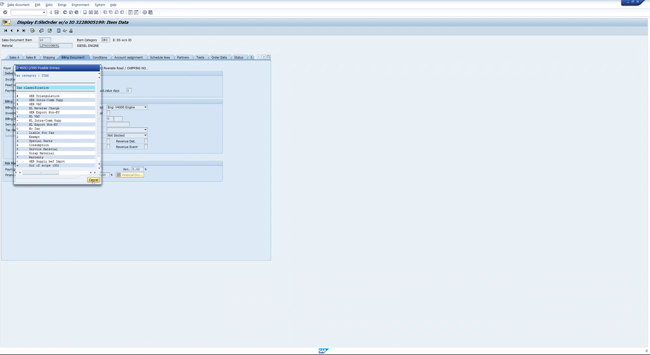
Reference: CEC
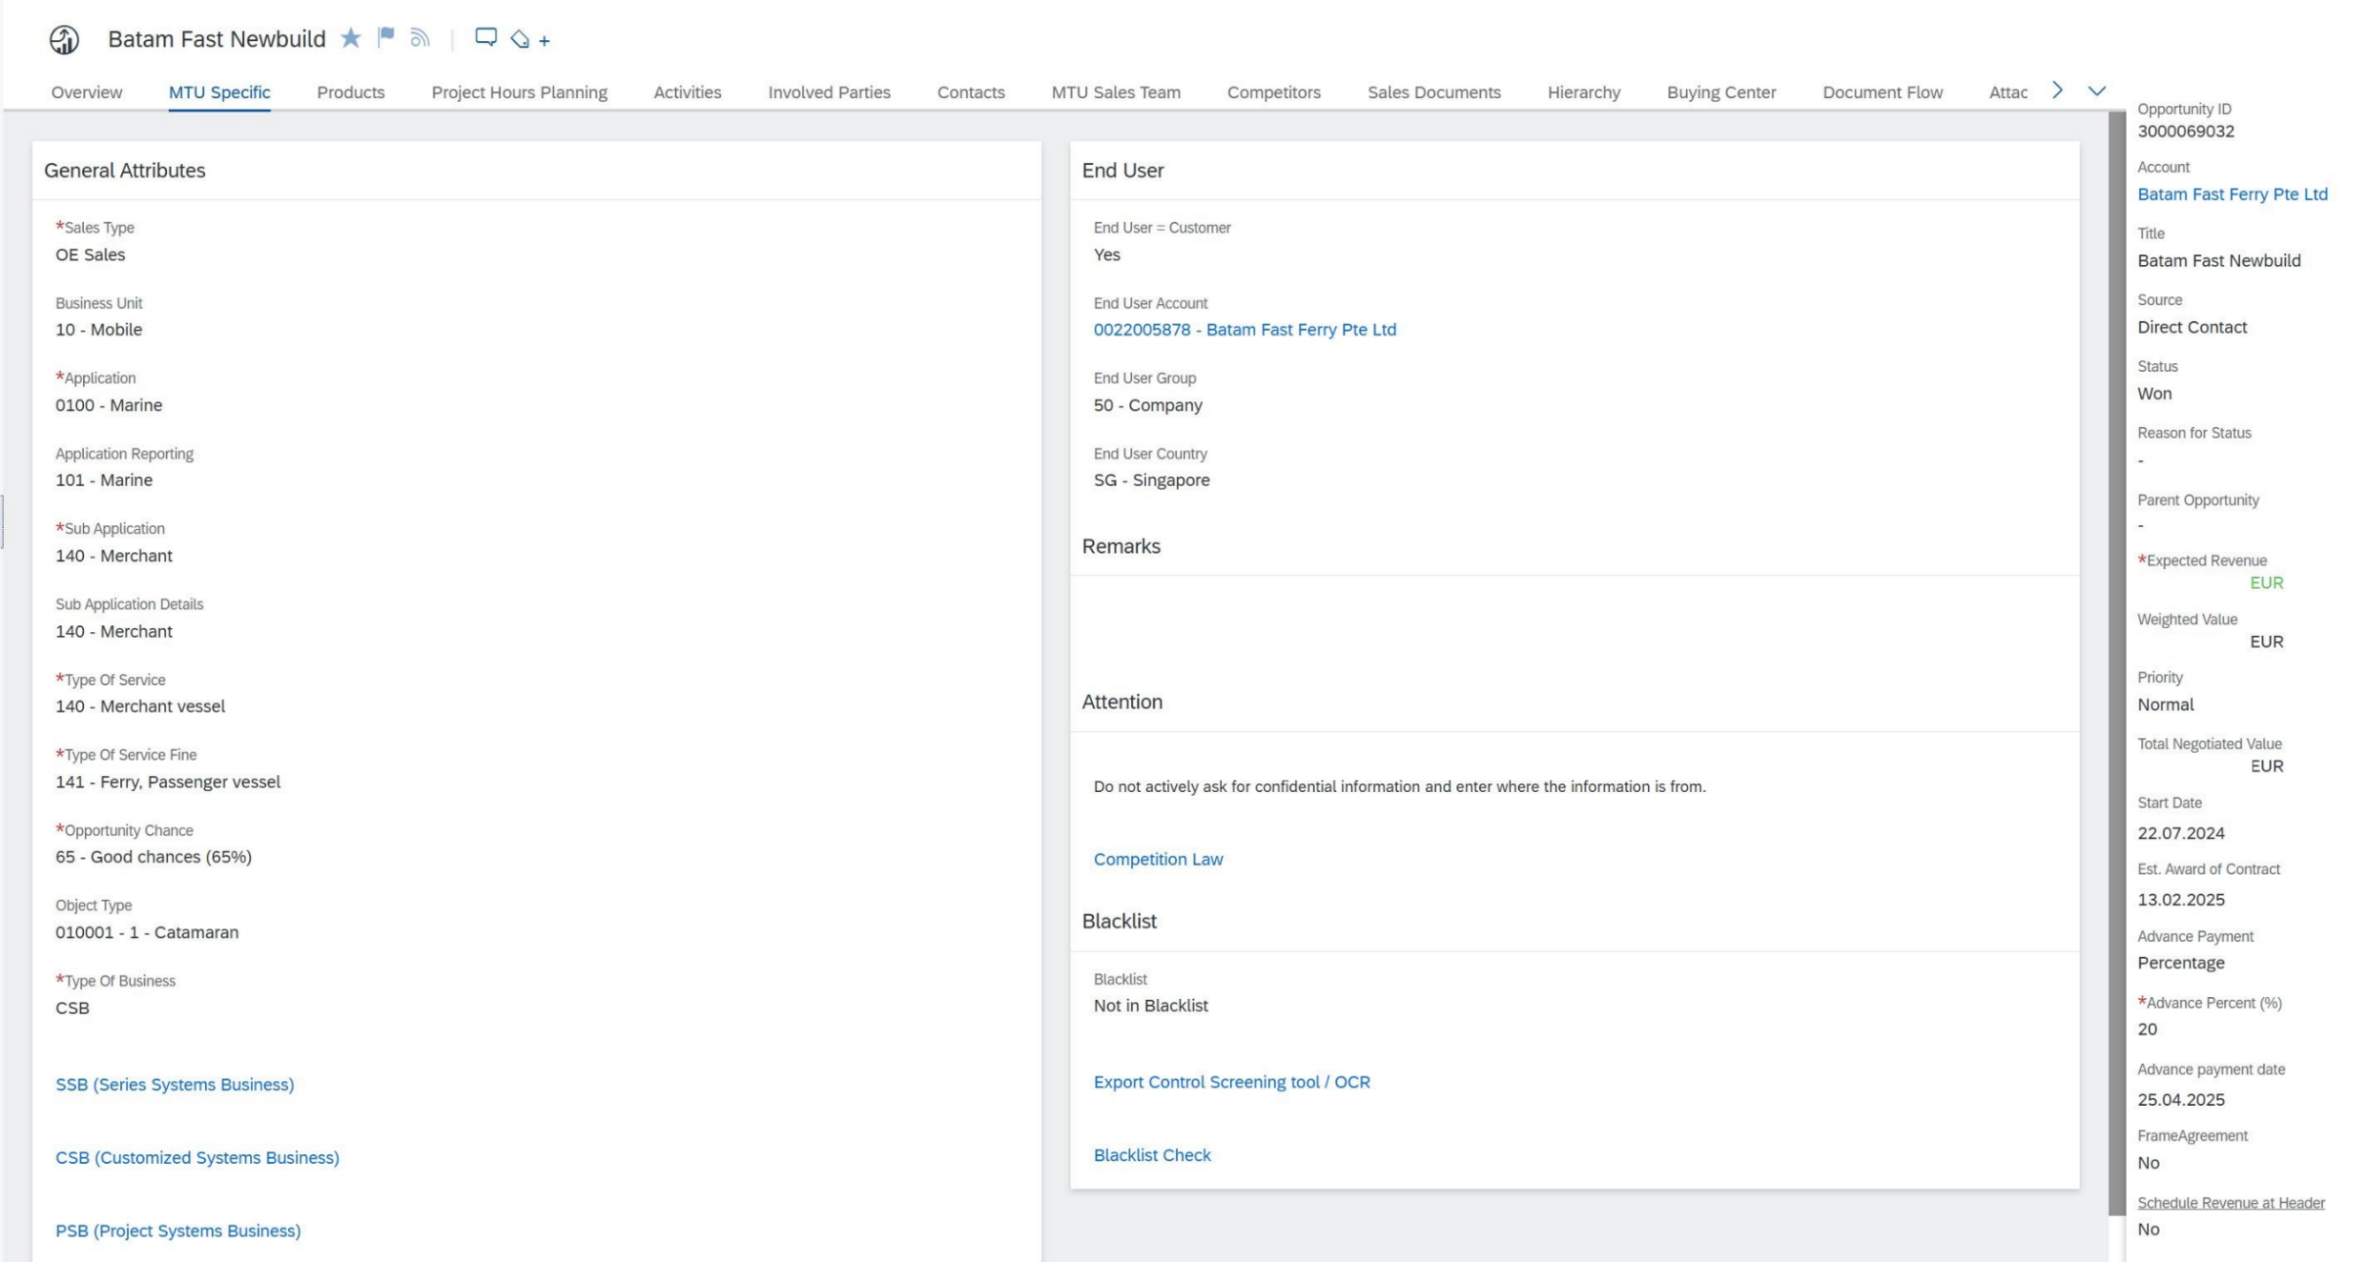

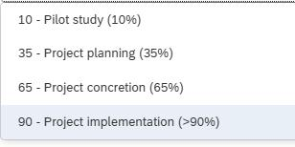
 |  |  | Information Required for Analysis
 |  |  | Industry News / Customer
 |  |  | Marine/ Offshore Oilr & Gas/ Marine Transportation
 |  |  | Competitor (Catepillar, Camins, MAN)

 |  |  | Information Required for MS5 (But not in IPAS)
 |  |  | Not required, as it is meant for mgmt reporting and production planning
 |  |  | List of opportunities, target closure, value
 |  |  | Hit rate | (Derived)

Reference: IPAS
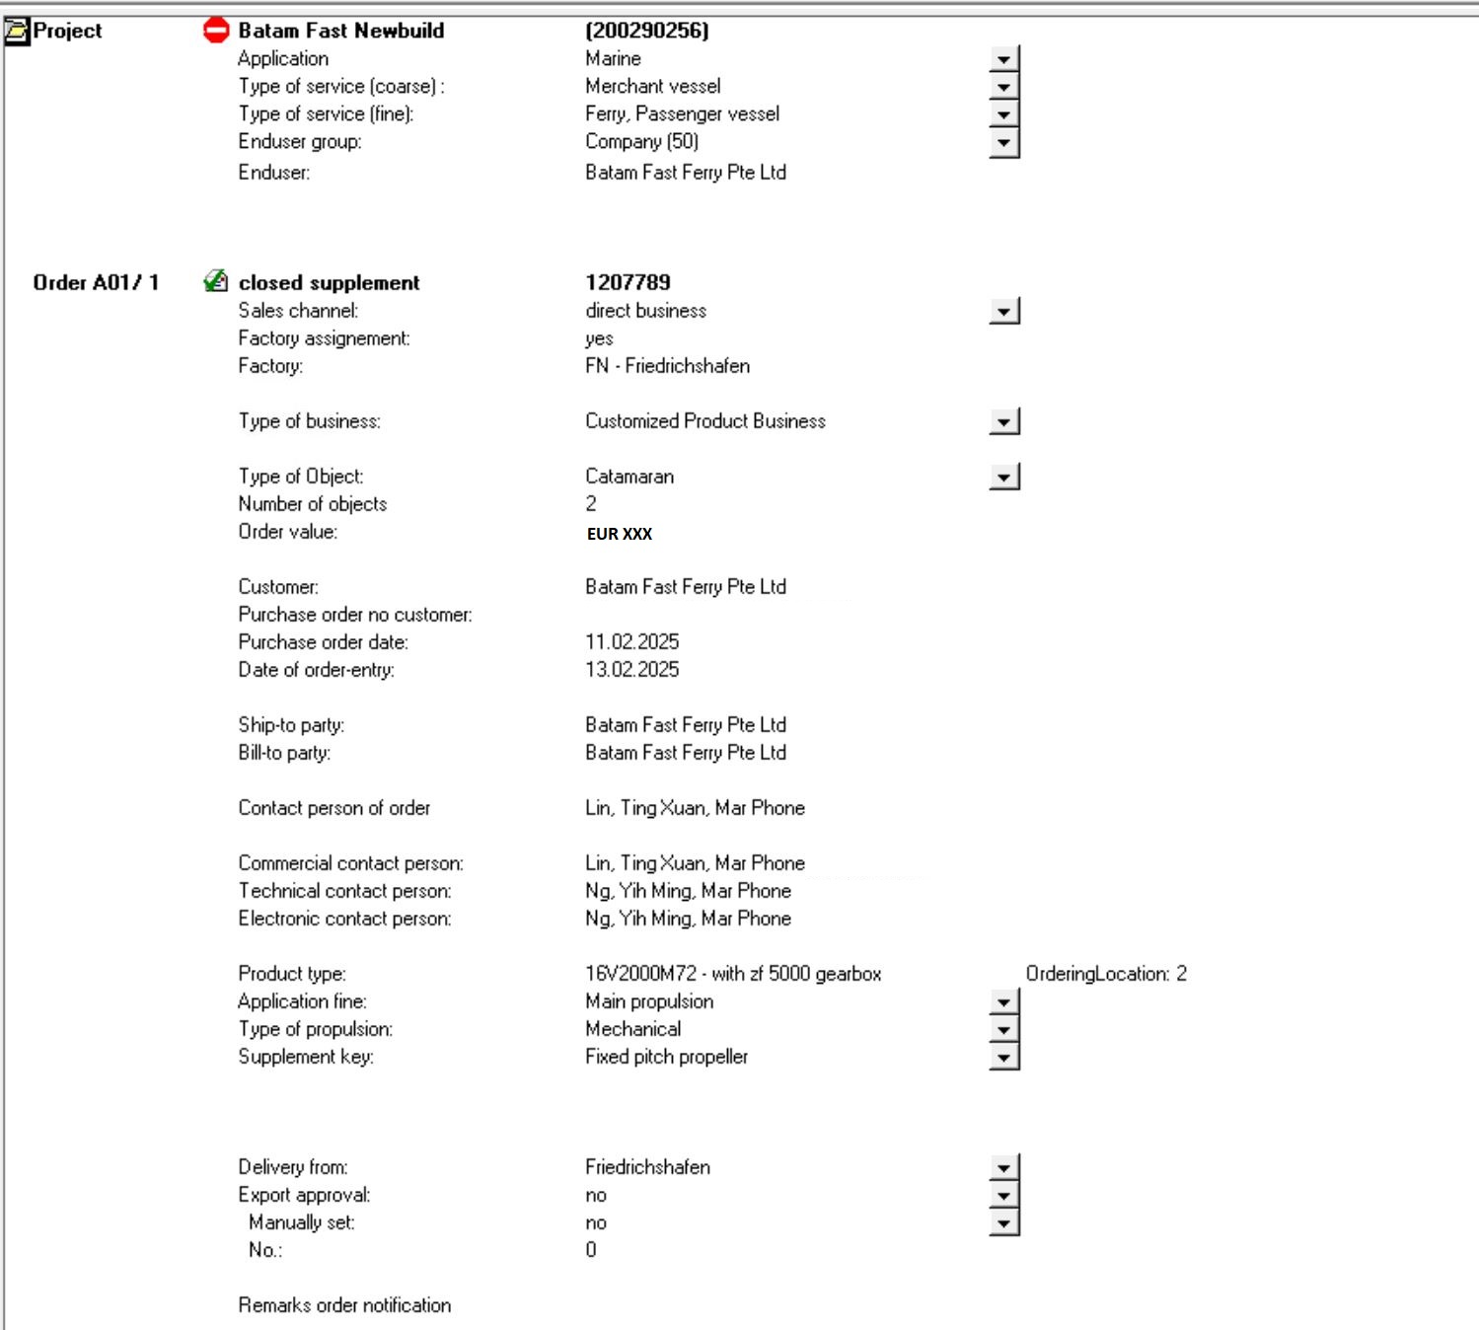

 | Step 1 | A01 (Customer <> RRPS SG office)
 | Step 2 | Quote to Order
 | Step 3 | Converted Order F01 (Factory <> RRPS SG Office)

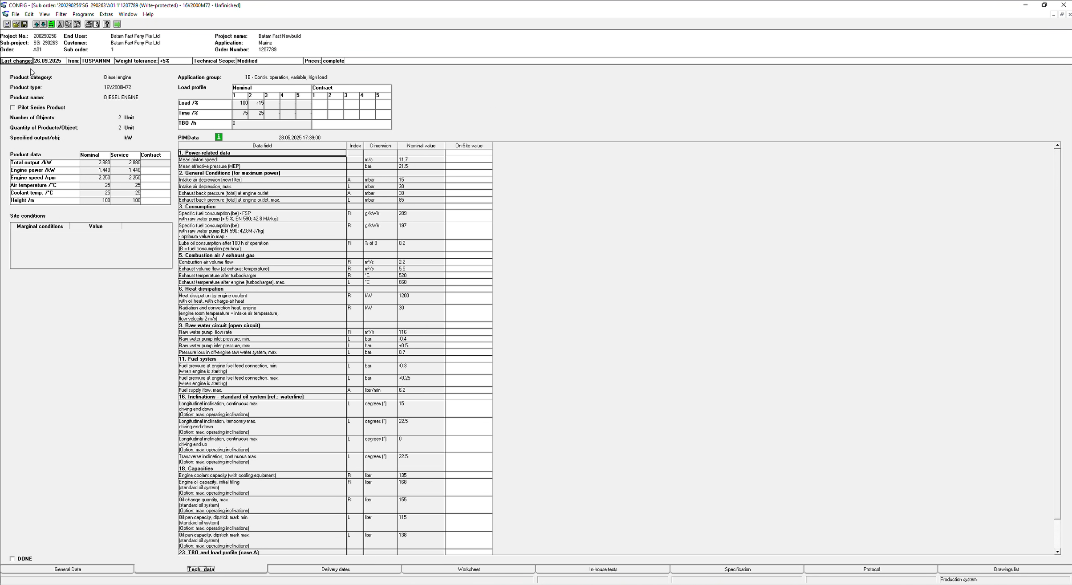
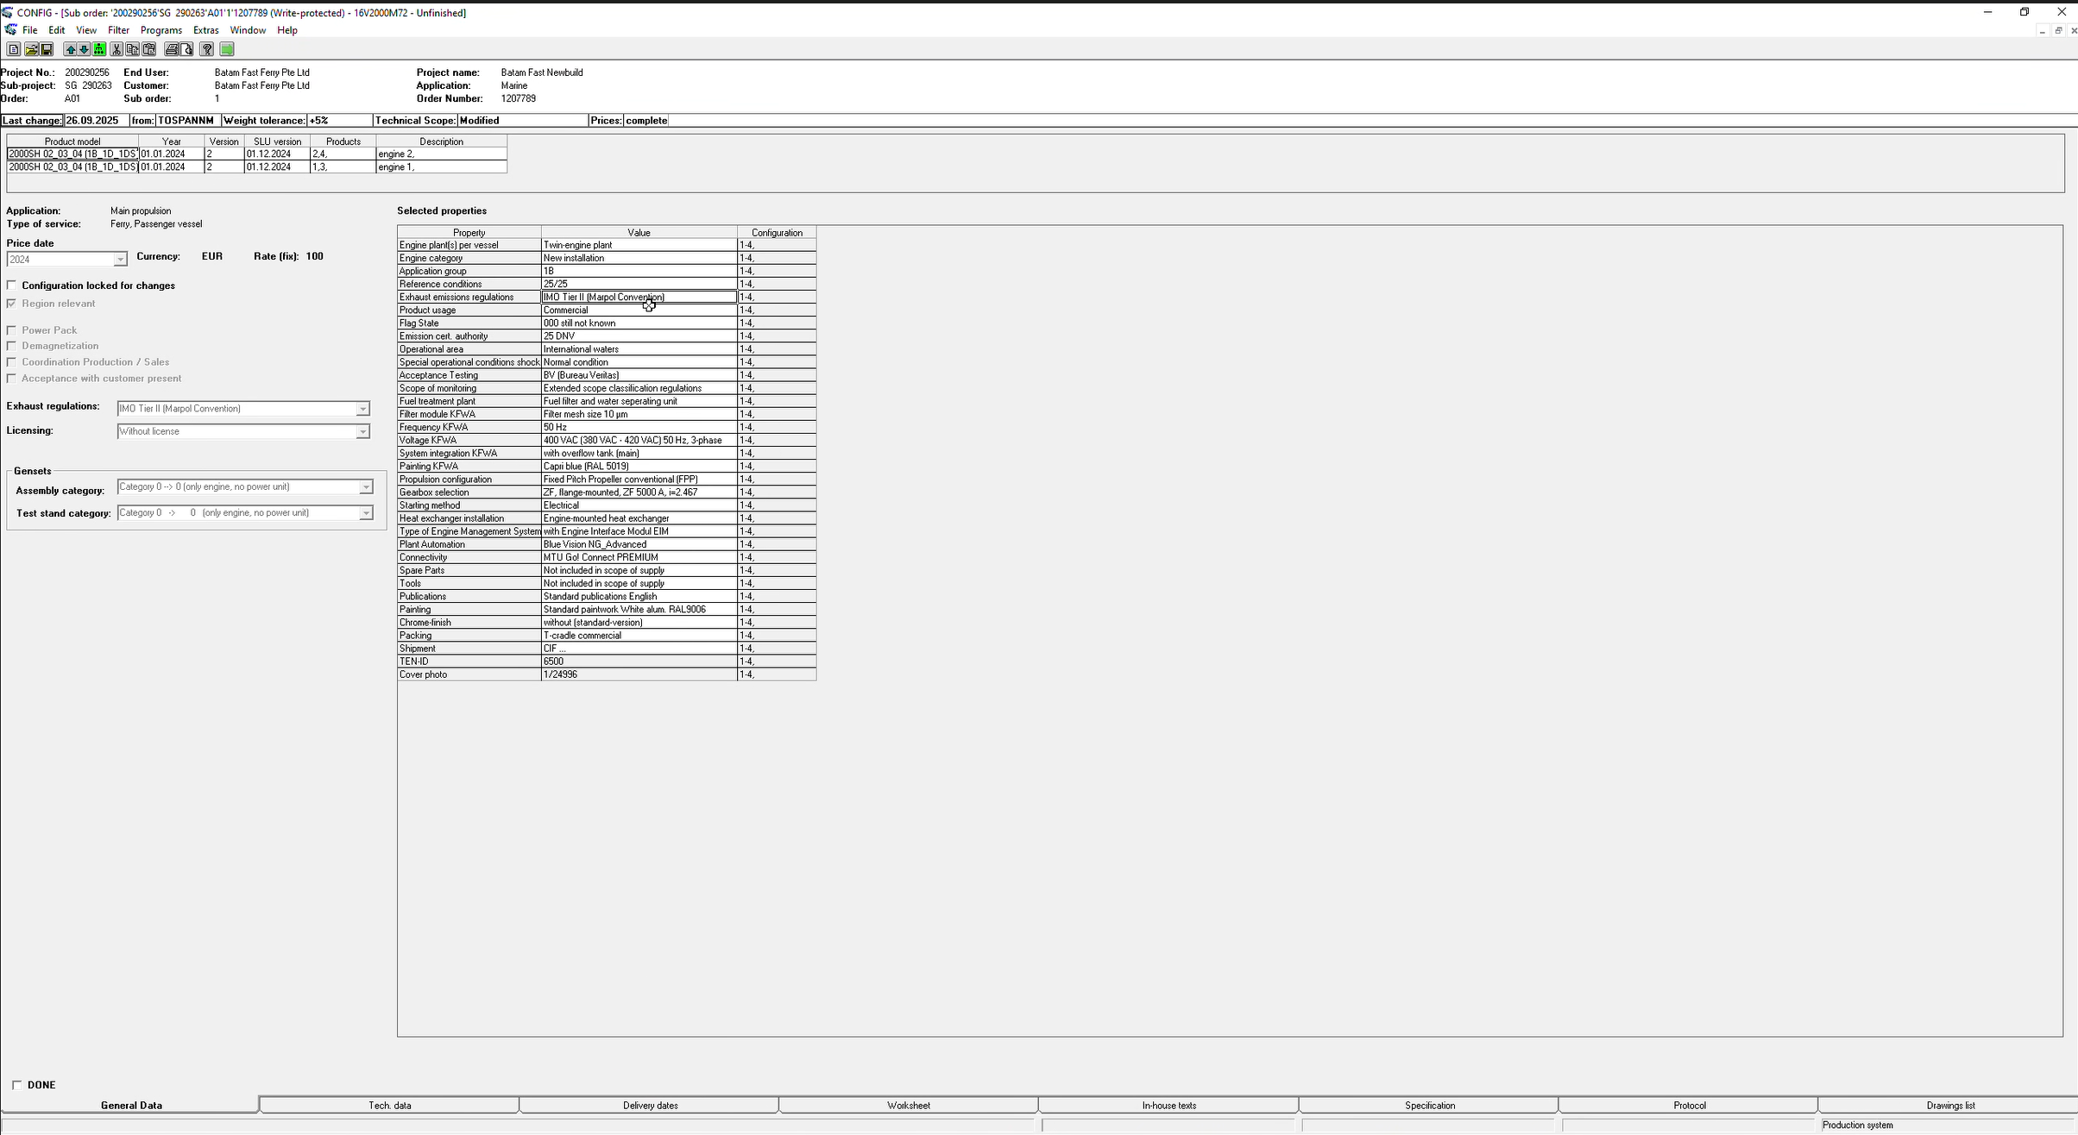

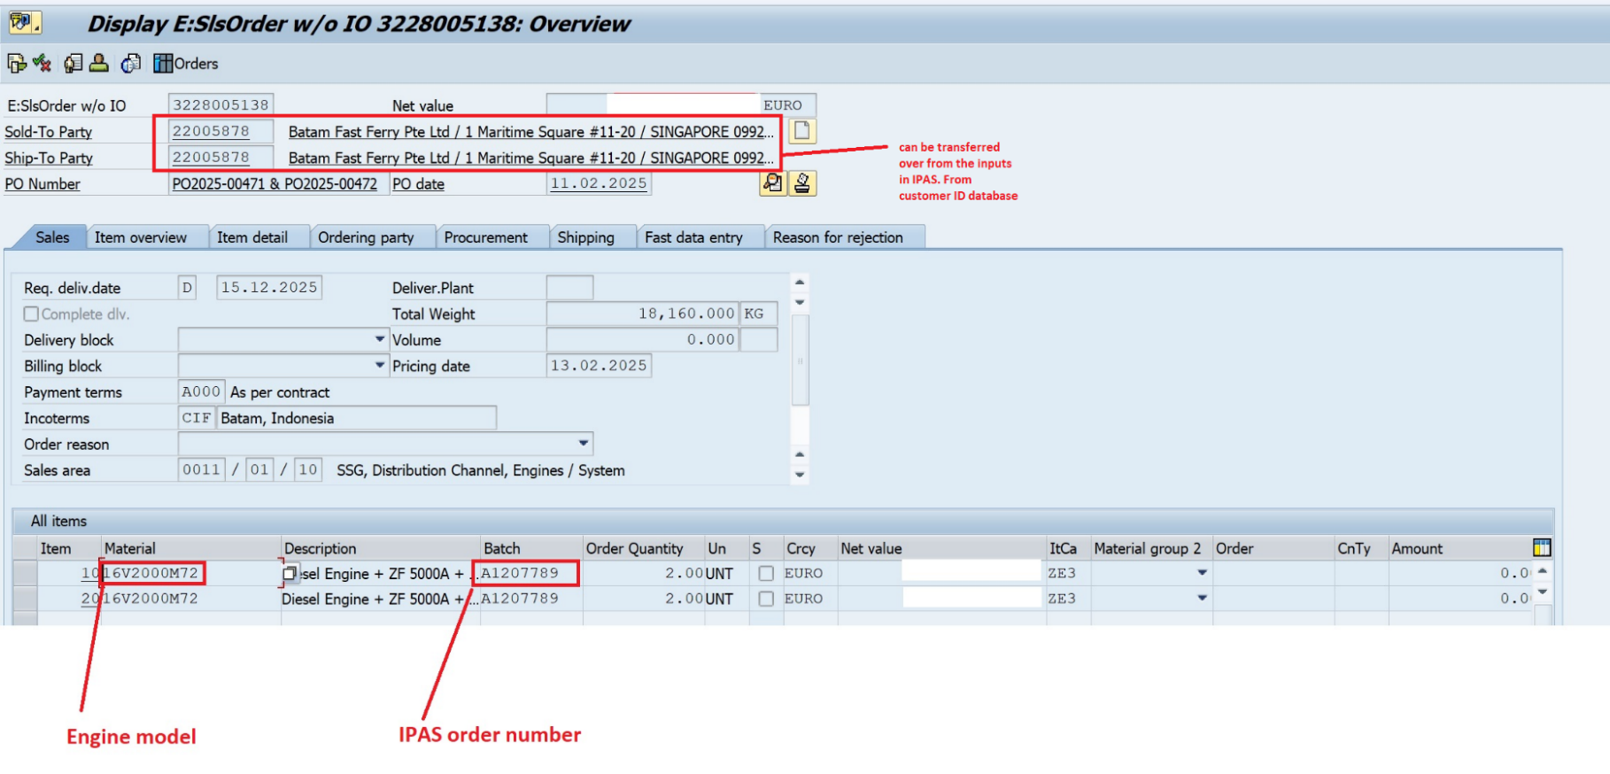
Reference:MS5
 |  | Create SO (Trigger - Upon conversion from project to factory order)

